EDA - 1
1) Which factors contribute to the highest sales in a particular region?

SQL Query with Results
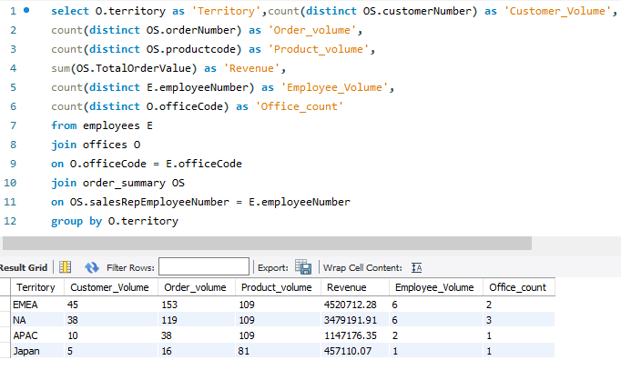

Territory | customer_Volume | order_volume | product_volume | Revenue | Employee_Volume | Office_count
EMEA | 45 | 153 | 109 | 4520712.28 | 6 | 2
NA | 38 | 119 | 109 | 3479191.91 | 6 | 3
APAC | 10 | 38 | 109 | 1147176.35 | 2 | 1
Japan | 5 | 16 | 81 | 457110.07 | 1 | 1

Revenue
customer_Volume

INSIGHTS:- | Following are the factors contributing to the highest sales in regions
 | 1) Customer Volume
 | 2) Order Volume
 | 3) No of Offices & Employees in Region

EDA-2
2) How can customer purchasing patterns be influenced to increase average order value?

SQL Query 1 with Results

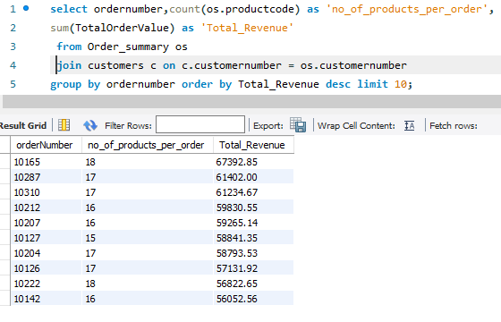

SQL Query 2 with Results

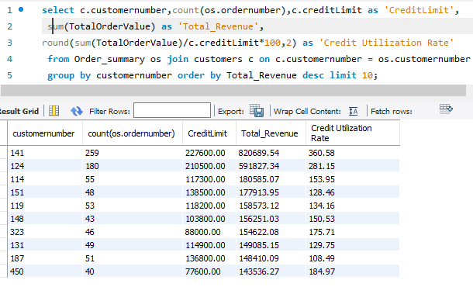

INSIGHTS:- | Purchasing patterns be influenced in following ways to increase average order value
 | 1) Increasing number of products per order
 | 2) Increasing the Credit Limit will increase the order volume and revenue

EDA-3
3) What are the key drivers of sales growth, and how can they be leveraged for future success?

SQL Query 1 with Results
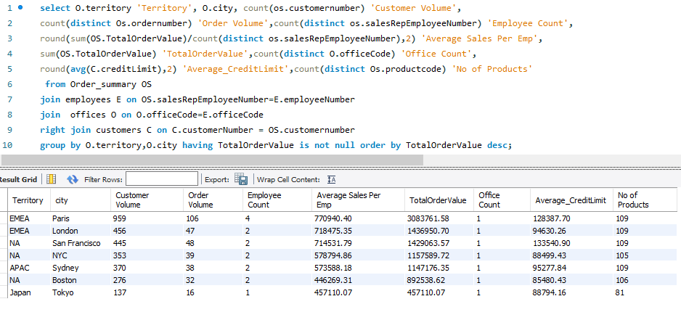

Territory | City | Customer Volume | Order Volume | No of Sales Rep Number | Average Revenue per Employee | Revenue | Average CreditLimit | No of Products contributed to Revenue
EMEA | Paris | 959 | 106 | 4 | 770940.4 | 3083761.58 | 128387.7 | 109
EMEA | London | 456 | 47 | 2 | 718475.35 | 1436950.7 | 94630.26 | 109
NA | San Francisco | 445 | 48 | 2 | 714531.79 | 1429063.57 | 133540.9 | 109
NA | NYC | 353 | 39 | 2 | 578794.86 | 1157589.72 | 88499.43 | 105
APAC | Sydney | 370 | 38 | 2 | 573588.18 | 1147176.35 | 95277.84 | 109
NA | Boston | 276 | 32 | 2 | 446269.31 | 892538.62 | 85480.43 | 106
Japan | Tokyo | 137 | 16 | 1 | 457110.07 | 457110.07 | 88794.16 | 81

Order Volume and Revenue
Customer Volume and Revenue

INSIGHTS:- | Following are the Key Drivers of Sales Growth
 | 1) No of Offices or Employees
 | 2) No of Customers

EDA-4
4) Which product features or attributes are most appealing to customers?

SQL Query 1 with Results
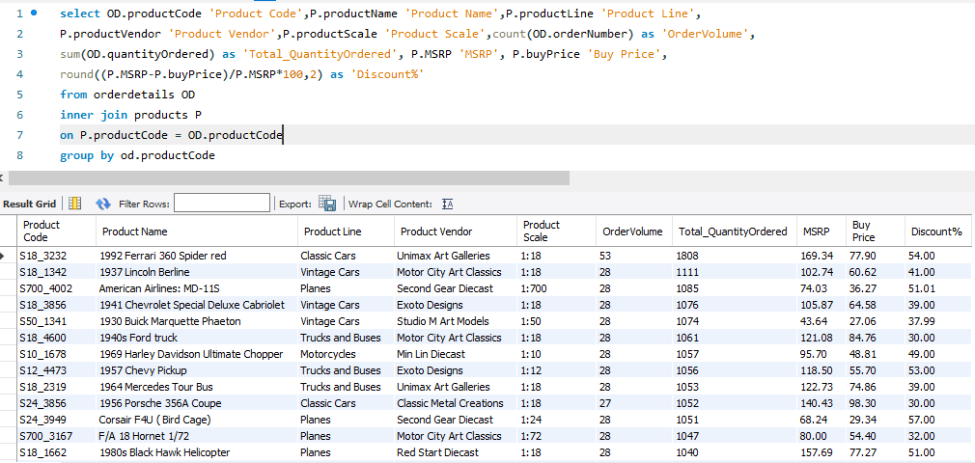

Product Code | Product Name | Product Line | Product Vendor | Product Scale | OrderVolume | Total_QuantityOrdered | MSRP | Buy Price | Discount%
S18_3232 | 1992 Ferrari 360 Spider red | Classic Cars | Unimax Art Galleries | 1:18:00 | 53 | 1808 | 169.34 | 77.9 | 54
S18_1342 | 1937 Lincoln Berline | Vintage Cars | Motor City Art Classics | 1:18:00 | 28 | 1111 | 102.74 | 60.62 | 41
S700_4002 | American Airlines: MD-11S | Planes | Second Gear Diecast | 0.528 | 28 | 1085 | 74.03 | 36.27 | 51.01
S18_3856 | 1941 Chevrolet Special Deluxe Cabriolet | Vintage Cars | Exoto Designs | 1:18:00 | 28 | 1076 | 105.87 | 64.58 | 39
S50_1341 | 1930 Buick Marquette Phaeton | Vintage Cars | Studio M Art Models | 1:50:00 | 28 | 1074 | 43.64 | 27.06 | 37.99
S18_4600 | 1940s Ford truck | Trucks and Buses | Motor City Art Classics | 1:18:00 | 28 | 1061 | 121.08 | 84.76 | 30
S10_1678 | 1969 Harley Davidson Ultimate Chopper | Motorcycles | Min Lin Diecast | 1:10:00 | 28 | 1057 | 95.7 | 48.81 | 49
S12_4473 | 1957 Chevy Pickup | Trucks and Buses | Exoto Designs | 1:12:00 | 28 | 1056 | 118.5 | 55.7 | 53
S18_2319 | 1964 Mercedes Tour Bus | Trucks and Buses | Unimax Art Galleries | 1:18:00 | 28 | 1053 | 122.73 | 74.86 | 39
S24_3856 | 1956 Porsche 356A Coupe | Classic Cars | Classic Metal Creations | 1:18:00 | 27 | 1052 | 140.43 | 98.3 | 30
S24_3949 | Corsair F4U ( Bird Cage) | Planes | Second Gear Diecast | 1:24:00 | 28 | 1051 | 68.24 | 29.34 | 57
S700_3167 | F/A 18 Hornet 1/72 | Planes | Motor City Art Classics | 0.092 | 28 | 1047 | 80 | 54.4 | 32
S18_1662 | 1980s Black Hawk Helicopter | Planes | Red Start Diecast | 1:18:00 | 28 | 1040 | 157.69 | 77.27 | 51
S18_2949 | 1913 Ford Model T Speedster | Vintage Cars | Carousel DieCast Legends | 1:18:00 | 28 | 1038 | 101.31 | 60.78 | 40.01
S24_1578 | 1997 BMW R 1100 S | Motorcycles | Autoart Studio Design | 1:24:00 | 28 | 1033 | 112.7 | 60.86 | 46
S10_4757 | 1972 Alfa Romeo GTA | Classic Cars | Motor City Art Classics | 1:10:00 | 28 | 1030 | 136 | 85.68 | 37
S24_2300 | 1962 Volkswagen Microbus | Trucks and Buses | Autoart Studio Design | 1:24:00 | 28 | 1029 | 127.79 | 61.34 | 52
S12_2823 | 2002 Suzuki XREO | Motorcycles | Unimax Art Galleries | 1:12:00 | 28 | 1028 | 150.62 | 66.27 | 56
S700_2610 | The USS Constitution Ship | Ships | Red Start Diecast | 0.528 | 27 | 1020 | 72.28 | 33.97 | 53
S12_1108 | 2001 Ferrari Enzo | Classic Cars | Second Gear Diecast | 1:12:00 | 27 | 1019 | 207.8 | 95.59 | 54
S24_2000 | 1960 BSA Gold Star DBD34 | Motorcycles | Highway 66 Mini Classics | 1:24:00 | 28 | 1015 | 76.17 | 37.32 | 51
S32_1374 | 1997 BMW F650 ST | Motorcycles | Exoto Designs | 1:32:00 | 28 | 1014 | 99.89 | 66.92 | 33.01
S18_4721 | 1957 Corvette Convertible | Classic Cars | Classic Metal Creations | 1:18:00 | 27 | 1013 | 148.8 | 69.93 | 53
S24_2011 | 18th century schooner | Ships | Carousel DieCast Legends | 1:24:00 | 27 | 1011 | 122.89 | 82.34 | 33
S24_4278 | 1900s Vintage Tri-Plane | Planes | Unimax Art Galleries | 1:24:00 | 28 | 1009 | 72.45 | 36.23 | 49.99
S10_2016 | 1996 Moto Guzzi 1100i | Motorcycles | Highway 66 Mini Classics | 1:10:00 | 28 | 999 | 118.94 | 68.99 | 42
S18_1097 | 1940 Ford Pickup Truck | Trucks and Buses | Studio M Art Models | 1:18:00 | 28 | 999 | 116.67 | 58.33 | 50
S18_2432 | 1926 Ford Fire Engine | Trucks and Buses | Carousel DieCast Legends | 1:18:00 | 28 | 998 | 60.77 | 24.92 | 58.99
S700_2824 | 1982 Camaro Z28 | Classic Cars | Carousel DieCast Legends | 1:18:00 | 28 | 997 | 101.15 | 46.53 | 54
S18_4668 | 1939 Cadillac Limousine | Vintage Cars | Studio M Art Models | 1:18:00 | 28 | 995 | 50.31 | 23.14 | 54.01
S50_4713 | 2002 Yamaha YZR M1 | Motorcycles | Autoart Studio Design | 1:50:00 | 27 | 992 | 81.36 | 34.17 | 58
S12_4675 | 1969 Dodge Charger | Classic Cars | Welly Diecast Productions | 1:12:00 | 27 | 992 | 115.16 | 58.73 | 49
S18_3320 | 1917 Maxwell Touring Car | Vintage Cars | Exoto Designs | 1:18:00 | 28 | 992 | 99.21 | 57.54 | 42
S24_3151 | 1912 Ford Model T Delivery Wagon | Vintage Cars | Min Lin Diecast | 1:24:00 | 27 | 991 | 88.51 | 46.91 | 47
S18_4522 | 1904 Buick Runabout | Vintage Cars | Exoto Designs | 1:18:00 | 27 | 990 | 87.77 | 52.66 | 40
S32_3522 | 1996 Peterbilt 379 Stake Bed with Outrigger | Trucks and Buses | Red Start Diecast | 1:32:00 | 28 | 988 | 64.64 | 33.61 | 48
S18_2238 | 1998 Chrysler Plymouth Prowler | Classic Cars | Gearbox Collectibles | 1:18:00 | 28 | 986 | 163.73 | 101.51 | 38
S10_4698 | 2003 Harley-Davidson Eagle Drag Bike | Motorcycles | Red Start Diecast | 1:10:00 | 28 | 985 | 193.66 | 91.02 | 53
S18_2957 | 1934 Ford V8 Coupe | Vintage Cars | Min Lin Diecast | 1:18:00 | 28 | 985 | 62.46 | 34.35 | 45
S700_2466 | America West Airlines B757-200 | Planes | Motor City Art Classics | 0.52777777778 | 28 | 984 | 99.72 | 68.8 | 31.01
S24_2840 | 1958 Chevy Corvette Limited Edition | Classic Cars | Carousel DieCast Legends | 1:24:00 | 28 | 983 | 35.36 | 15.91 | 55.01
S24_4258 | 1936 Chrysler Airflow | Vintage Cars | Second Gear Diecast | 1:24:00 | 28 | 983 | 97.39 | 57.46 | 41
S50_1392 | Diamond T620 Semi-Skirted Tanker | Trucks and Buses | Highway 66 Mini Classics | 1:50:00 | 28 | 979 | 115.75 | 68.29 | 41
S24_1444 | 1970 Dodge Coronet | Classic Cars | Highway 66 Mini Classics | 1:24:00 | 28 | 976 | 57.8 | 32.37 | 44
S18_3278 | 1969 Dodge Super Bee | Classic Cars | Min Lin Diecast | 1:18:00 | 27 | 974 | 80.41 | 49.05 | 39
S700_2834 | ATA: B757-300 | Planes | Highway 66 Mini Classics | 0.52777777778 | 28 | 973 | 118.65 | 59.33 | 50
S24_1785 | 1928 British Royal Navy Airplane | Planes | Classic Metal Creations | 1:24:00 | 28 | 972 | 109.42 | 66.74 | 39.01
S32_4289 | 1928 Ford Phaeton Deluxe | Vintage Cars | Highway 66 Mini Classics | 1:32:00 | 28 | 972 | 68.79 | 33.02 | 52
S18_1889 | 1948 Porsche 356-A Roadster | Classic Cars | Gearbox Collectibles | 1:18:00 | 27 | 972 | 77 | 53.9 | 30
S12_1666 | 1958 Setra Bus | Trucks and Buses | Welly Diecast Productions | 1:12:00 | 28 | 972 | 136.67 | 77.9 | 43
S24_3371 | 1971 Alpine Renault 1600s | Classic Cars | Welly Diecast Productions | 1:24:00 | 27 | 969 | 61.23 | 38.58 | 36.99
S18_3029 | 1999 Yamaha Speed Boat | Ships | Min Lin Diecast | 1:18:00 | 28 | 966 | 86.02 | 51.61 | 40
S50_1514 | 1962 City of Detroit Streetcar | Trains | Classic Metal Creations | 1:50:00 | 27 | 966 | 58.58 | 37.49 | 36
S12_3891 | 1969 Ford Falcon | Classic Cars | Second Gear Diecast | 1:12:00 | 27 | 965 | 173.02 | 83.05 | 52
S12_3148 | 1969 Corvair Monza | Classic Cars | Welly Diecast Productions | 1:18:00 | 27 | 963 | 151.08 | 89.14 | 41
S10_1949 | 1952 Alpine Renault 1300 | Classic Cars | Classic Metal Creations | 1:10:00 | 28 | 961 | 214.3 | 98.58 | 54
S18_1367 | 1936 Mercedes-Benz 500K Special Roadster | Vintage Cars | Studio M Art Models | 1:18:00 | 28 | 960 | 53.91 | 24.26 | 55
S72_1253 | Boeing X-32A JSF | Planes | Motor City Art Classics | 0.091666666667 | 28 | 960 | 49.66 | 32.77 | 34.01
S18_3782 | 1957 Vespa GS150 | Motorcycles | Studio M Art Models | 1:18:00 | 27 | 959 | 62.17 | 32.95 | 47
S72_3212 | Pont Yacht | Ships | Unimax Art Galleries | 0.091666666667 | 27 | 958 | 54.6 | 33.3 | 39.01
S18_2325 | 1932 Model A Ford J-Coupe | Vintage Cars | Autoart Studio Design | 1:18:00 | 28 | 957 | 127.13 | 58.48 | 54
S24_2022 | 1938 Cadillac V-16 Presidential Limousine | Vintage Cars | Classic Metal Creations | 1:24:00 | 28 | 955 | 44.8 | 20.61 | 54
S32_2509 | 1954 Greyhound Scenicruiser | Trucks and Buses | Classic Metal Creations | 1:32:00 | 28 | 955 | 54.11 | 25.98 | 51.99
S700_3505 | The Titanic | Ships | Carousel DieCast Legends | 0.52777777778 | 27 | 952 | 100.17 | 51.09 | 49
S24_2766 | 1949 Jaguar XK 120 | Classic Cars | Classic Metal Creations | 1:24:00 | 25 | 949 | 90.87 | 47.25 | 48
S18_3685 | 1948 Porsche Type 356 Roadster | Classic Cars | Gearbox Collectibles | 1:18:00 | 25 | 948 | 141.28 | 62.16 | 56
S24_2360 | 1982 Ducati 900 Monster | Motorcycles | Highway 66 Mini Classics | 1:24:00 | 27 | 947 | 69.26 | 47.1 | 32
S18_1129 | 1993 Mazda RX-7 | Classic Cars | Highway 66 Mini Classics | 1:18:00 | 27 | 947 | 141.54 | 83.51 | 41
S18_2625 | 1936 Harley Davidson El Knucklehead | Motorcycles | Welly Diecast Productions | 1:18:00 | 28 | 945 | 60.57 | 24.23 | 60
S18_4027 | 1970 Triumph Spitfire | Classic Cars | Min Lin Diecast | 1:18:00 | 27 | 945 | 143.62 | 91.92 | 36
S24_4620 | 1961 Chevrolet Impala | Classic Cars | Classic Metal Creations | 1:18:00 | 27 | 941 | 80.84 | 32.33 | 60.01
S24_2841 | 1900s Vintage Bi-Plane | Planes | Autoart Studio Design | 1:24:00 | 28 | 940 | 68.51 | 34.25 | 50.01
S24_1937 | 1939 Chevrolet Deluxe Coupe | Vintage Cars | Motor City Art Classics | 1:24:00 | 28 | 937 | 33.19 | 22.57 | 32
S700_1138 | The Schooner Bluenose | Ships | Autoart Studio Design | 0.528 | 27 | 934 | 66.67 | 34 | 49
S32_3207 | 1950's Chicago Surface Lines Streetcar | Trains | Gearbox Collectibles | 1:32:00 | 27 | 934 | 62.14 | 26.72 | 57
S12_1099 | 1968 Ford Mustang | Classic Cars | Autoart Studio Design | 1:12:00 | 27 | 933 | 194.57 | 95.34 | 51
S10_4962 | 1962 LanciaA Delta 16V | Classic Cars | Second Gear Diecast | 1:10:00 | 28 | 932 | 147.74 | 103.42 | 30
S12_3380 | 1968 Dodge Charger | Classic Cars | Welly Diecast Productions | 1:12:00 | 27 | 925 | 117.44 | 75.16 | 36
S24_3816 | 1940 Ford Delivery Sedan | Vintage Cars | Carousel DieCast Legends | 1:24:00 | 28 | 923 | 83.86 | 48.64 | 42
S18_1749 | 1917 Grand Touring Sedan | Vintage Cars | Welly Diecast Productions | 1:18:00 | 25 | 918 | 170 | 86.7 | 49
S18_3259 | Collectable Wooden Train | Trains | Carousel DieCast Legends | 1:18:00 | 27 | 918 | 100.84 | 67.56 | 33
S18_2581 | P-51-D Mustang | Planes | Gearbox Collectibles | 0.092 | 28 | 917 | 84.48 | 49 | 42
S18_1984 | 1995 Honda Civic | Classic Cars | Min Lin Diecast | 1:18:00 | 27 | 917 | 142.25 | 93.89 | 34
S24_1628 | 1966 Shelby Cobra 427 S/C | Classic Cars | Carousel DieCast Legends | 1:24:00 | 25 | 915 | 50.31 | 29.18 | 42
S18_3482 | 1976 Ford Gran Torino | Classic Cars | Gearbox Collectibles | 1:18:00 | 27 | 915 | 146.99 | 73.49 | 50
S18_1589 | 1965 Aston Martin DB5 | Classic Cars | Classic Metal Creations | 1:18:00 | 25 | 914 | 124.44 | 65.96 | 46.99
S24_2972 | 1982 Lamborghini Diablo | Classic Cars | Second Gear Diecast | 1:24:00 | 27 | 912 | 37.76 | 16.24 | 56.99
S32_1268 | 1980Ã¢â‚¬â„¢s GM Manhattan Express | Trucks and Buses | Motor City Art Classics | 1:32:00 | 28 | 911 | 96.31 | 53.93 | 44
S18_3136 | 18th Century Vintage Horse Carriage | Vintage Cars | Red Start Diecast | 1:18:00 | 28 | 907 | 104.72 | 60.74 | 42
S32_2206 | 1982 Ducati 996 R | Motorcycles | Gearbox Collectibles | 1:32:00 | 27 | 906 | 40.23 | 24.14 | 40
S12_3990 | 1970 Plymouth Hemi Cuda | Classic Cars | Studio M Art Models | 1:12:00 | 27 | 900 | 79.8 | 31.92 | 60
S700_1938 | The Mayflower | Ships | Studio M Art Models | 0.528 | 27 | 898 | 86.61 | 43.3 | 50.01
S32_4485 | 1974 Ducati 350 Mk3 Desmo | Motorcycles | Second Gear Diecast | 1:32:00 | 27 | 898 | 102.05 | 56.13 | 45
S700_2047 | HMS Bounty | Ships | Unimax Art Galleries | 0.528 | 28 | 897 | 90.52 | 39.83 | 56
S700_3962 | The Queen Mary | Ships | Welly Diecast Productions | 0.528 | 27 | 896 | 99.31 | 53.63 | 46
S700_1691 | American Airlines: B767-300 | Planes | Min Lin Diecast | 0.528 | 28 | 894 | 91.34 | 51.15 | 44
S24_3432 | 2002 Chevy Corvette | Classic Cars | Gearbox Collectibles | 1:24:00 | 25 | 894 | 107.08 | 62.11 | 42
S24_3420 | 1937 Horch 930V Limousine | Vintage Cars | Autoart Studio Design | 1:24:00 | 28 | 884 | 65.75 | 26.3 | 60
S18_3140 | 1903 Ford Model A | Vintage Cars | Unimax Art Galleries | 1:18:00 | 27 | 883 | 136.59 | 68.3 | 50
S18_2795 | 1928 Mercedes-Benz SSK | Vintage Cars | Gearbox Collectibles | 1:18:00 | 28 | 880 | 168.75 | 72.56 | 57
S24_2887 | 1952 Citroen-15CV | Classic Cars | Exoto Designs | 1:24:00 | 24 | 873 | 117.44 | 72.82 | 37.99
S24_3191 | 1969 Chevrolet Camaro Z28 | Classic Cars | Exoto Designs | 1:24:00 | 25 | 870 | 85.61 | 50.51 | 41
S24_4048 | 1992 Porsche Cayenne Turbo Silver | Classic Cars | Exoto Designs | 1:24:00 | 27 | 867 | 118.28 | 69.78 | 41
S18_4409 | 1932 Alfa Romeo 8C2300 Spider Sport | Vintage Cars | Exoto Designs | 1:18:00 | 25 | 866 | 92.03 | 43.26 | 52.99
S18_2870 | 1999 Indy 500 Monte Carlo SS | Classic Cars | Red Start Diecast | 1:18:00 | 25 | 855 | 132 | 56.76 | 57
S18_2248 | 1911 Ford Town Car | Vintage Cars | Motor City Art Classics | 1:18:00 | 25 | 832 | 60.54 | 33.3 | 45
S24_3969 | 1936 Mercedes Benz 500k Roadster | Vintage Cars | Red Start Diecast | 1:24:00 | 25 | 824 | 41.03 | 21.75 | 46.99
S24_1046 | 1970 Chevy Chevelle SS 454 | Classic Cars | Unimax Art Galleries | 1:24:00 | 25 | 803 | 73.49 | 49.24 | 33
S18_4933 | 1957 Ford Thunderbird | Classic Cars | Studio M Art Models | 1:18:00 | 24 | 767 | 71.27 | 34.21 | 52

PIVOT 1

Row Labels | Sum of Total_QuantityOrdered | Count of OrderVolume | Average of buyPrice | Average of MSRP | Average of Discount_perc
Classic Cars | 33.72% | 33.94% | 64.65 | 118.30 | 45.22
Motorcycles | 12.11% | 11.93% | 50.69 | 97.18 | 47.08
Planes | 11.25% | 11.01% | 49.63 | 89.52 | 44.25
Ships | 8.09% | 8.26% | 47.01 | 86.56 | 46.11
Trains | 2.67% | 2.75% | 43.92 | 73.85 | 42.00
Trucks and Buses | 10.43% | 10.09% | 56.33 | 103.18 | 46.45
Vintage Cars | 21.73% | 22.02% | 46.07 | 87.10 | 46.62
Product line by Total_QuantityOrdered

PIVOT 2

Order Quantity Vs Product Scale
Row Labels | Total_Quantity_Ordered
0.09 | 3882
0.52 | 9533
01:10 | 5964
01:12 | 8790
01:18 | 40243
01:24 | 25515
01:32 | 7578
01:50 | 4011
Grand Total | 105516

SQL Query 2 with Results

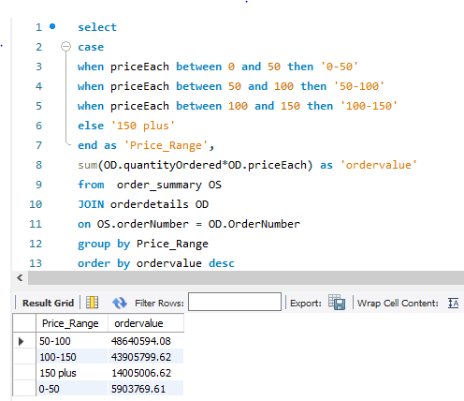

Price_Range by ordervalue

Price_Range | ordervalue
50-100 | 48640594.08
100-150 | 43905799.62
150 plus | 14005006.62
0-50 | 5903769.61

INSIGHTS:- | Following are the probable product feature or attributes attractive to the customers
 | 1) Product Category Cars (Classic Cars and Vintage Cars) yield high revenue and order volume
 | 2) Product Scale of 1:18 and 1:24 yield high revenue and order volume compare to others
 | 3) Product with price ranging 50 to 100 is yield high revenue followed by 100-150 which clearly states affordable pricing attracts customer the most.

EDA 5
5) How can the product mix be optimized to cater to changing market demands?

SQL Query 1 with Results
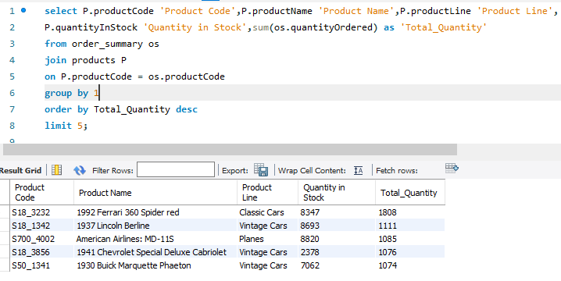

SQL Query 2 with Results

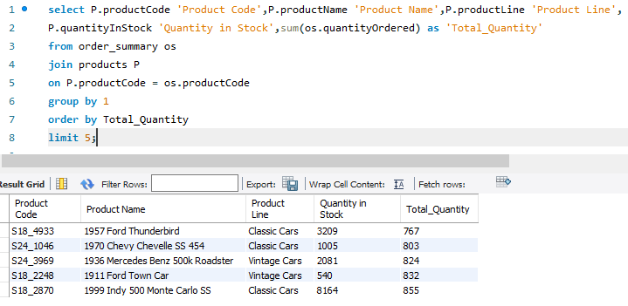

Recommendation:-
Product Mix can be Optimized by following ways
1) Bundling Top selling Products and providing a discount
2) Bundling Top selling Quantity with least sold Quantity
3) Increasing the Inventory by procuring "1941 Chevrolet Special Deluxe Cabriolet" since the stock in hand is less when compared to other top selling products

EDA 6
6) Are there any specific market segments where a particular product is underperforming, and how can it be improved?

SQL Query 1 with Results
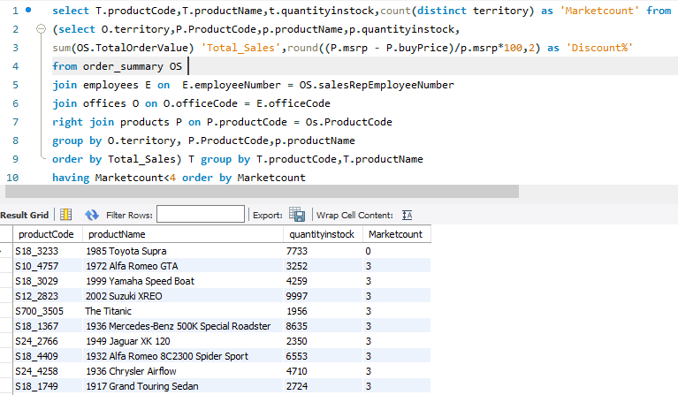

productCode | productName | Quantityinstock | Marketcount
S18_3233 | 1985 Toyota Supra | 7733 | 0
S10_4757 | 1972 Alfa Romeo GTA | 3252 | 3
S18_3029 | 1999 Yamaha Speed Boat | 4259 | 3
S12_2823 | 2002 Suzuki XREO | 9997 | 3
S700_3505 | The Titanic | 1956 | 3
S18_1367 | 1936 Mercedes-Benz 500K Special Roadster | 8635 | 3
S24_2766 | 1949 Jaguar XK 120 | 2350 | 3
S18_4409 | 1932 Alfa Romeo 8C2300 Spider Sport | 6553 | 3
S24_4258 | 1936 Chrysler Airflow | 4710 | 3
S18_1749 | 1917 Grand Touring Sedan | 2724 | 3
S18_4933 | 1957 Ford Thunderbird | 3209 | 3
S10_1678 | 1969 Harley Davidson Ultimate Chopper | 7933 | 3
S18_2795 | 1928 Mercedes-Benz SSK | 548 | 3
S24_2887 | 1952 Citroen-15CV | 1452 | 3
S18_3856 | 1941 Chevrolet Special Deluxe Cabriolet | 2378 | 3
S18_1589 | 1965 Aston Martin DB5 | 9042 | 3
S32_1268 | 1980Ã¢â‚¬â„¢s GM Manhattan Express | 5099 | 3
S24_3191 | 1969 Chevrolet Camaro Z28 | 4695 | 3
S18_1342 | 1937 Lincoln Berline | 8693 | 3
S24_1046 | 1970 Chevy Chevelle SS 454 | 1005 | 3
S18_2325 | 1932 Model A Ford J-Coupe | 9354 | 3
S24_1937 | 1939 Chevrolet Deluxe Coupe | 7332 | 3
S18_2870 | 1999 Indy 500 Monte Carlo SS | 8164 | 3
S24_2972 | 1982 Lamborghini Diablo | 7723 | 3
S18_3320 | 1917 Maxwell Touring Car | 7913 | 3
S24_3432 | 2002 Chevy Corvette | 9446 | 3
S18_2248 | 1911 Ford Town Car | 540 | 3
S24_1628 | 1966 Shelby Cobra 427 S/C | 8197 | 3
S24_2022 | 1938 Cadillac V-16 Presidential Limousine | 2847 | 3

INSIGHTS:- | 1)Product '1985 Toyota Supra' is not being sold anywhere
 | 2)Above products are underperforming that these products are not even being sold in a particular territory

Recommendations | 1)Product '1985 Toyota Supra' should be discontinued for further procurement
 | 2)Existing stock of above products should be forced for sales as a complement or Grand Sale to clear the stock
 | 3)Above Products can be bundled with other products for discounted rate - for top customers, for promotion

EDA-7
7) What are the main factors that influence customer loyalty and repeat purchases?

SQL Query 1 with Results
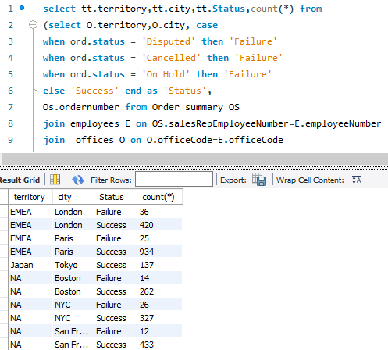

Territory | City | Status | count(*)
APAC | Sydney | Failure | 24
APAC | Sydney | Success | 346
EMEA | London | Failure | 36
EMEA | London | Success | 420
EMEA | Paris | Failure | 25
EMEA | Paris | Success | 934
Japan | Tokyo | Success | 137
NA | Boston | Failure | 14
NA | Boston | Success | 262
NA | NYC | Failure | 26
NA | NYC | Success | 327
NA | San Francisco | Failure | 12
NA | San Francisco | Success | 433
Successful Transaction by Office
PIVOT 1

Sum of count(*) | Column Labels
Row Labels | Failure | Success
Boston | 5.07% | 94.93%
London | 7.89% | 92.11%
NYC | 7.37% | 92.63%
Paris | 2.61% | 97.39%
San Francisco | 2.70% | 97.30%
Sydney | 6.49% | 93.51%
Tokyo | 0.00% | 100.00%
Grand Total | 4.57% | 95.43%

Successful Transaction by TERRITORY
PIVOT 2

Sum of count(*) | Column Labels
Row Labels | Failure | Success
APAC | 6.5% | 93.5%
EMEA | 4.3% | 95.7%
Japan | 0.0% | 100.0%
NA | 4.8% | 95.2%
Grand Total | 4.6% | 95.4%

INSIGHTS:- | High Success ratio interms of shipping status is the main factor for customer loyalty and repeat purchases

EDA-8
8) How do customer preferences differ based on geographic location, and how can marketing campaigns be customized accordingly?

SQL Query 1 with Results

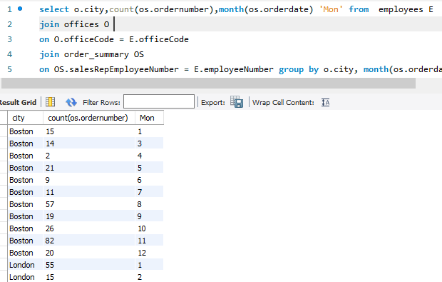
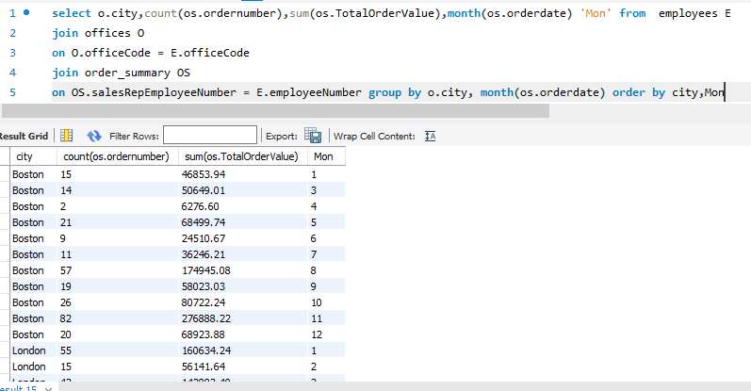

City | count(os.ordernumber) | sum(os.TotalOrderValue) | Month
Boston | 15 | 46853.94 | 1
Boston | 14 | 50649.01 | 3
Boston | 2 | 6276.6 | 4
Boston | 21 | 68499.74 | 5
Boston | 9 | 24510.67 | 6
Boston | 11 | 36246.21 | 7
Boston | 57 | 174945.08 | 8
Boston | 19 | 58023.03 | 9
Boston | 26 | 80722.24 | 10
Boston | 82 | 276888.22 | 11
Boston | 20 | 68923.88 | 12
London | 55 | 160634.24 | 1
London | 15 | 56141.64 | 2
London | 42 | 142883.4 | 3
London | 14 | 53471.53 | 4
London | 6 | 28394.54 | 5
London | 23 | 74872.68 | 6
London | 22 | 61977.02 | 8
London | 60 | 177081.65 | 9
London | 95 | 300006.16 | 10
London | 119 | 367816.02 | 11
London | 5 | 13671.82 | 12
NYC | 2 | 5494.78 | 1
NYC | 8 | 22292.62 | 2
NYC | 9 | 33011.8 | 3
NYC | 42 | 124657.1 | 4
NYC | 44 | 162358.69 | 5
NYC | 43 | 140915.86 | 6
NYC | 6 | 20314.44 | 7
NYC | 14 | 37527.58 | 8
NYC | 14 | 41953.33 | 9
NYC | 33 | 97976.71 | 10
NYC | 91 | 309496.91 | 11
NYC | 47 | 161589.9 | 12
Paris | 70 | 237193.7 | 1
Paris | 117 | 372447.94 | 2
Paris | 72 | 207197.19 | 3
Paris | 66 | 233362.52 | 4
Paris | 132 | 442514.37 | 5
Paris | 32 | 92659.43 | 6
Paris | 64 | 202887.95 | 7
Paris | 42 | 132799.52 | 8
Paris | 24 | 84930.87 | 9
Paris | 80 | 251611.33 | 10
Paris | 186 | 597914.43 | 11
Paris | 74 | 228242.33 | 12
San Francisco | 52 | 158409.24 | 1
San Francisco | 58 | 195415.23 | 2
San Francisco | 48 | 154549.49 | 3
San Francisco | 21 | 83984.89 | 4
San Francisco | 29 | 83079.16 | 5
San Francisco | 5 | 16753.3 | 6
San Francisco | 39 | 131707.86 | 7
San Francisco | 55 | 187723.16 | 8
San Francisco | 11 | 29997.09 | 9
San Francisco | 71 | 216860.78 | 10
San Francisco | 36 | 98304.93 | 11
San Francisco | 20 | 72278.44 | 12
Sydney | 9 | 27083.78 | 1
Sydney | 28 | 88801.22 | 2
Sydney | 30 | 95112.21 | 3
Sydney | 42 | 156313.11 | 4
Sydney | 29 | 84389.29 | 5
Sydney | 37 | 122091.66 | 6
Sydney | 45 | 136347.39 | 7
Sydney | 32 | 90161.53 | 9
Sydney | 66 | 203214.17 | 11
Sydney | 52 | 143661.99 | 12
Tokyo | 26 | 81145.32 | 1
Tokyo | 17 | 54517.26 | 3
Tokyo | 16 | 60179.23 | 4
Tokyo | 6 | 22037.91 | 6
Tokyo | 1 | 2611.84 | 8
Tokyo | 11 | 38350.15 | 9
Tokyo | 18 | 67392.85 | 10
Tokyo | 36 | 113682.45 | 11
Tokyo | 6 | 17193.06 | 12

 | Sum of sum(os.TotalOrderValue) | Column Labels
 | Row Labels | Boston
 | 1 | 5.25%
 | 3 | 5.67%
 | 4 | 0.70%
 | 5 | 7.67%
 | 6 | 2.75%
 | 7 | 4.06%
 | 8 | 19.60%
 | 9 | 6.50%
 | 10 | 9.04%
 | 11 | 31.02%
 | 12 | 7.72%

Insights:- | 1)November month is the peak revenue month for almost all cities due to the Christmas Season
 | 2)January is the second peak revenue month for Japan whereas that’s not the case with Australia which depicts April
 | 3)This Infers that the Sale is good during Christmas or New year in most of the city.
 | 4)Highest sales is also attributed to the summer holidays which varies per region

Recommendation | 1)2 months prior to the festival and summer holidays, the inventory check for in stock vs demand to be analyzed and corrected
 | 2)Off seasons when the market is having less demand, requires more promotion and discounts to improve sales

EDA 9
9)What are the characteristics of high-value customers, and how can similar customers be targeted for acquisition?

SQL Query 1 with Results

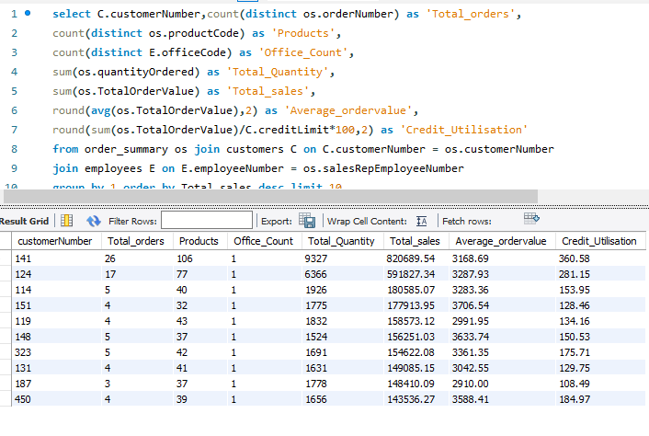

customerNumber | Total_orders | Products | Office_Count | Total_Quantity | Total_sales | Average_ordervalue | Credit_Utilisation
141 | 26 | 106 | 1 | 9327 | 820689.54 | 3168.69 | 360.58
124 | 17 | 77 | 1 | 6366 | 591827.34 | 3287.93 | 281.15
114 | 5 | 40 | 1 | 1926 | 180585.07 | 3283.36 | 153.95
151 | 4 | 32 | 1 | 1775 | 177913.95 | 3706.54 | 128.46
119 | 4 | 43 | 1 | 1832 | 158573.12 | 2991.95 | 134.16
148 | 5 | 37 | 1 | 1524 | 156251.03 | 3633.74 | 150.53
323 | 5 | 42 | 1 | 1691 | 154622.08 | 3361.35 | 175.71
131 | 4 | 41 | 1 | 1631 | 149085.15 | 3042.55 | 129.75
187 | 3 | 37 | 1 | 1778 | 148410.09 | 2910 | 108.49
450 | 4 | 39 | 1 | 1656 | 143536.27 | 3588.41 | 184.97

Insights:-
1) High Order Volume in a given period
2) High Average Sales per Order
3) High Quantity of products (Bulk Order)
4) Who utilizes and purchases over and above credit limit

Recommendation: | To acquire more high valued customer

 | 1) Sales team should focus on evaluating existing customer for untapped potential
 | 2) Marketting team to target big corporates for acquistion, who can purchase in bulk and in regular frequency.

EDA 10
10) How can marketing strategies be tailored to target specific demographic segments in different regions?

SQL Query 1 with Results
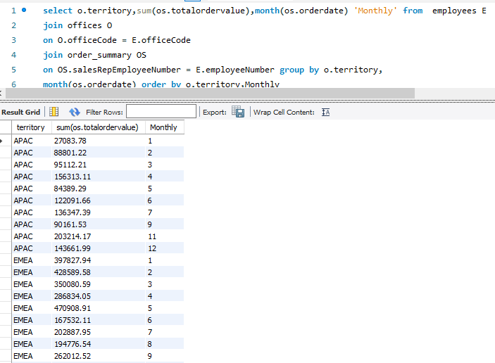

Month Wise Revenue
Territory | Month | Revenue | Row Labels | Sum of Revenue
APAC | 1 | 27083.78 | 1 | 397827.94
APAC | 2 | 88801.22 | 2 | 428589.58
APAC | 3 | 95112.21 | 3 | 350080.59
APAC | 4 | 156313.11 | 4 | 286834.05
APAC | 5 | 84389.29 | 5 | 470908.91
APAC | 6 | 122091.66 | 6 | 167532.11
APAC | 7 | 136347.39 | 7 | 202887.95
APAC | 9 | 90161.53 | 8 | 194776.54
APAC | 11 | 203214.17 | 9 | 262012.52
APAC | 12 | 143661.99 | 10 | 551617.49
EMEA | 1 | 397827.94 | 11 | 965730.45
EMEA | 2 | 428589.58 | 12 | 241914.15
EMEA | 3 | 350080.59 | Grand Total | 4520712.28
EMEA | 4 | 286834.05
EMEA | 5 | 470908.91
EMEA | 6 | 167532.11
EMEA | 7 | 202887.95
EMEA | 8 | 194776.54
EMEA | 9 | 262012.52
EMEA | 10 | 551617.49
EMEA | 11 | 965730.45
EMEA | 12 | 241914.15
Japan | 1 | 81145.32
Japan | 3 | 54517.26
Japan | 4 | 60179.23
Japan | 6 | 22037.91
Japan | 8 | 2611.84
Japan | 9 | 38350.15
Japan | 10 | 67392.85
Japan | 11 | 113682.45
Japan | 12 | 17193.06
NA | 1 | 210757.96
NA | 2 | 217707.85
NA | 3 | 238210.3
NA | 4 | 214918.59
NA | 5 | 313937.59
NA | 6 | 182179.83
NA | 7 | 188268.51
NA | 8 | 400195.82
NA | 9 | 129973.45
NA | 10 | 395559.73
NA | 11 | 684690.06
NA | 12 | 302792.22

EDA 12
12) How do customer preferences and behavior differ based on demographic factors, and how can they be leveraged for personalized marketing campaigns?

SQL Query 1 with Results

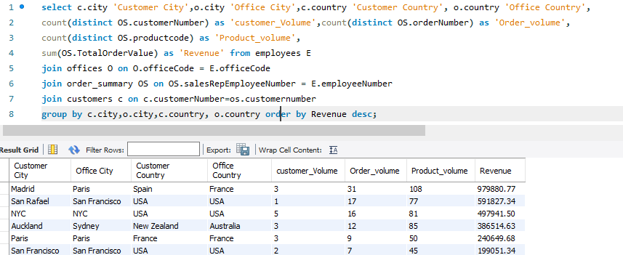

Customer City | Office City | Customer Country | Office Country | customer_Volume | Order_volume | Product_volume | Revenue | City - same or Different | Country - same or Different
Madrid | Paris | Spain | France | 3 | 31 | 108 | 979880.77 | Different City | Different Country
San Rafael | San Francisco | USA | USA | 1 | 17 | 77 | 591827.34 | Different City | Same Country
NYC | NYC | USA | USA | 5 | 16 | 81 | 497941.5 | Same City | Same Country
Auckland | Sydney | New Zealand | Australia | 3 | 12 | 85 | 386514.63 | Different City | Different Country
Paris | Paris | France | France | 3 | 9 | 50 | 240649.68 | Same City | Same Country
San Francisco | San Francisco | USA | USA | 2 | 7 | 45 | 199051.34 | Same City | Same Country
New Bedford | Boston | USA | USA | 2 | 6 | 54 | 190500.01 | Different City | Same Country
Nantes | Paris | France | France | 2 | 7 | 48 | 180887.48 | Different City | Same Country
Melbourne | Sydney | Australia | Australia | 1 | 5 | 40 | 180585.07 | Different City | Same Country
Singapore | Tokyo | Singapore | Japan | 1 | 5 | 37 | 156251.03 | Different City | Different Country
Brickhaven | Boston | USA | USA | 3 | 8 | 36 | 150665.17 | Different City | Same Country
Boston | Boston | USA | USA | 2 | 5 | 39 | 149882.06 | Same City | Same Country
Manchester | London | UK | UK | 1 | 3 | 37 | 148410.09 | Different City | Same Country
San Jose | San Francisco | USA | USA | 1 | 4 | 39 | 143536.27 | Different City | Same Country
Salzburg | Paris | Austria | France | 1 | 4 | 36 | 137480.07 | Different City | Different Country
North Sydney | Sydney | Australia | Australia | 1 | 4 | 41 | 137034.22 | Different City | Same Country
Chatswood | Sydney | Australia | Australia | 1 | 4 | 44 | 133907.12 | Different City | Same Country
Lyon | Paris | France | France | 1 | 3 | 41 | 130305.35 | Different City | Same Country
Kobenhavn | Paris | Denmark | France | 1 | 5 | 31 | 129085.12 | Different City | Different Country
Bergamo | Paris | Italy | France | 1 | 3 | 34 | 127529.69 | Different City | Different Country
Reims | Paris | France | France | 1 | 5 | 37 | 126983.19 | Different City | Same Country
Reggio Emilia | Paris | Italy | France | 1 | 3 | 39 | 125505.57 | Different City | Different Country
Cambridge | Boston | USA | USA | 2 | 4 | 38 | 122744.06 | Different City | Same Country
BrÃƒÂ¤cke | London | Sweden | UK | 1 | 3 | 38 | 120943.53 | Different City | Different Country
Nashua | Boston | USA | USA | 1 | 3 | 34 | 116449.29 | Different City | Same Country
London | London | UK | UK | 2 | 5 | 32 | 110142.88 | Same City | Same Country
GenÃƒÂ¨ve | Paris | Switzerland | France | 1 | 2 | 17 | 108777.92 | Different City | Different Country
Singapore | Sydney | Singapore | Australia | 1 | 4 | 29 | 107746.75 | Different City | Different Country
Liverpool | London | UK | UK | 1 | 3 | 29 | 106610.72 | Different City | Same Country
Minato-ku | Tokyo | Japan | Japan | 1 | 4 | 32 | 105548.73 | Different City | Same Country
Burlingame | San Francisco | USA | USA | 1 | 4 | 30 | 104545.22 | Different City | Same Country
Allentown | Boston | USA | USA | 1 | 4 | 31 | 104358.69 | Different City | Same Country
Stavern | London | Norway | UK | 1 | 4 | 32 | 104224.79 | Different City | Different Country
Espoo | London | Finland | UK | 1 | 3 | 30 | 103896.74 | Different City | Different Country
Bergen | London | Norway | UK | 1 | 3 | 29 | 97562.47 | Different City | Different Country
Oulu | London | Finland | UK | 1 | 3 | 31 | 95706.15 | Different City | Different Country
Helsinki | London | Finland | UK | 1 | 3 | 30 | 95546.46 | Different City | Different Country
Bridgewater | NYC | USA | USA | 1 | 3 | 25 | 95424.63 | Different City | Same Country
Pasadena | San Francisco | USA | USA | 1 | 3 | 29 | 93803.3 | Different City | Same Country
Wellington | Sydney | New Zealand | Australia | 1 | 3 | 29 | 90332.38 | Different City | Different Country
Ãƒâ€¦rhus | Paris | Denmark | France | 1 | 2 | 27 | 89909.8 | Different City | Different Country
KÃƒÂ¶ln | London | Germany | UK | 1 | 2 | 17 | 89223.14 | Different City | Different Country
Makati City | Tokyo | Philippines | Japan | 1 | 3 | 22 | 87468.3 | Different City | Different Country
Torino | Paris | Italy | France | 1 | 2 | 26 | 82223.23 | Different City | Different Country
Newark | NYC | USA | USA | 1 | 3 | 21 | 81806.55 | Different City | Same Country
San Diego | San Francisco | USA | USA | 1 | 2 | 25 | 80375.24 | Different City | Same Country
Las Vegas | San Francisco | USA | USA | 1 | 3 | 24 | 80180.98 | Different City | Same Country
White Plains | NYC | USA | USA | 1 | 2 | 26 | 78432.16 | Different City | Same Country
Philadelphia | NYC | USA | USA | 1 | 3 | 17 | 77726.59 | Different City | Same Country
Frankfurt | London | Germany | UK | 1 | 4 | 22 | 75937.76 | Different City | Different Country
Strasbourg | Paris | France | France | 1 | 3 | 19 | 75859.32 | Different City | Same Country
Cowes | London | UK | UK | 1 | 2 | 26 | 71783.75 | Different City | Same Country
Marseille | Paris | France | France | 1 | 3 | 24 | 71547.53 | Different City | Same Country
Bruxelles | Paris | Belgium | France | 1 | 3 | 20 | 70851.58 | Different City | Different Country
New Haven | NYC | USA | USA | 1 | 2 | 17 | 70378.65 | Different City | Same Country
Vancouver | NYC | Canada | USA | 1 | 2 | 19 | 70122.19 | Different City | Different Country
Oslo | London | Norway | UK | 1 | 2 | 24 | 69059.04 | Different City | Different Country
MontrÃƒÂ©al | NYC | Canada | USA | 1 | 3 | 22 | 68977.67 | Different City | Different Country
Barcelona | Paris | Spain | France | 1 | 3 | 22 | 68520.47 | Different City | Different Country
Tsawassen | NYC | Canada | USA | 1 | 2 | 26 | 66812 | Different City | Different Country
LuleÃƒÂ¥ | London | Sweden | UK | 1 | 4 | 19 | 66694.82 | Different City | Different Country
Kita-ku | Tokyo | Japan | Japan | 1 | 2 | 20 | 62361.22 | Different City | Same Country
Lille | Paris | France | France | 1 | 2 | 14 | 61781.7 | Different City | Same Country
Toulouse | Paris | France | France | 1 | 3 | 20 | 60483.36 | Different City | Same Country
Versailles | Paris | France | France | 1 | 2 | 17 | 58876.41 | Different City | Same Country
Philadelphia | Boston | USA | USA | 1 | 2 | 21 | 57939.34 | Different City | Same Country
Glen Waverly | Sydney | Australia | Australia | 1 | 3 | 23 | 55866.02 | Different City | Same Country
South Brisbane | Sydney | Australia | Australia | 1 | 3 | 15 | 55190.16 | Different City | Same Country
Graz | Paris | Austria | France | 1 | 3 | 15 | 51059.99 | Different City | Different Country
Sevilla | Paris | Spain | France | 1 | 2 | 15 | 50987.85 | Different City | Different Country
Glendale | NYC | USA | USA | 1 | 3 | 19 | 49967.78 | Different City | Same Country
Dublin | London | Ireland | UK | 1 | 2 | 16 | 49898.27 | Different City | Different Country
Central Hong Kong | Tokyo | Hong Kong | Japan | 1 | 2 | 12 | 45480.79 | Different City | Different Country
Burbank | San Francisco | USA | USA | 1 | 2 | 13 | 43748.72 | Different City | Same Country
Brisbane | San Francisco | USA | USA | 1 | 2 | 15 | 42570.37 | Different City | Same Country
Los Angeles | San Francisco | USA | USA | 1 | 2 | 14 | 41506.19 | Different City | Same Country
Munich | London | Germany | UK | 1 | 1 | 14 | 31310.09 | Different City | Different Country
Charleroi | Paris | Belgium | France | 1 | 4 | 8 | 29217.18 | Different City | Different Country
Milan | Paris | Italy | France | 1 | 2 | 8 | 25358.32 | Different City | Different Country
Glendale | San Francisco | USA | USA | 1 | 2 | 3 | 7918.6 | Different City | Same Country

PIVOT 1
Revenue Contribution By Country

Row Labels | Sum of Order_volume | Sum of Revenue
Different Country | 139 | 4156096.56
Same Country | 187 | 5448094.05
Grand Total | 326 | 9604190.61

PIVOT 2
Revenue Contribution By City

Row Labels | Sum of Order_volume | Sum of Revenue
Different City | 284 | 8406523.15
Same City | 42 | 1197667.46
Grand Total | 326 | 9604190.61

Insights
 | 1) Most Customers prefer buying it from same country
 | 2) City does not play major role in orders.
 | 3) Madrid is the City where the customers order the most for highest revenue from office in Paris

Recommendation
 | 1) ABC Retail should open new offices in country for much more smoother order experience in terms of low shipping cost, to tailor products or sales region wise
 | 2) ABC Retail should aim at centralizing the offices within a country, as customers don’t really order based on the city of the office

